Jan
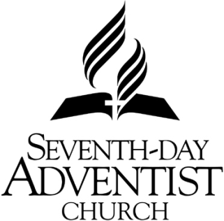
 |  |  | Minister's Monthly Report |  |  |  |  |  | Month, Year | 2024-01-01
 |  |  | Mountain View Conference |  |  |  |  |  | Name | Pastor Porcupine
 |  |  | 1400 Liberty Street |  |  |  |  |  | Address | 777 Hollowtree Lane
 |  |  | Parkersburg, WV 26101 |  |  |  |  |  | City, St, Zip | Grubby, WV 77777
 |  |  | Phone: (304) 422-4581 |  | payroll@mvcsda.org |  |  |  | Phone | (304) 422-7777
 |  |  | Fax: (304) 422-4582
 |  |  |  |  | 1 | 2 | 3 | 4 | 5 | (Details of personal effort of the minister)
Day | Sabbath | Location Working and/or Activity |  |  | District Mileage | Special Mileage | Lodging (receipts) | Per Diem | Misc / Tolls / Moving / Car Rental / Other (receipts) | # of In Home Bible Studies | # of Interests at In Home Study | # of drop off / mailed Bible Studies | # of active members visited | # of former or inactive members visited | # of Baptisms or Professions of Faith
1
2
3
4
5
6
7
8
9
10
11
12
13
14
15
16
17
18
19
20
21
22
23
24
25
26
27
28
29
30
31
 |  | Total All Columns |  |  | - | - | - | - | - | - | - | - | - | - | -
 |  |  |  | 2024 Rates | 0.50 | 0.50 |  | Misc Travel Total
 |  |  |  | In U.S. Dollars | - | - |  |  | - | OFFICE USE ONLY
 |  |  |  |  |  |  |  |  |  | Additions
Wellness Incentive Program |  |  | Employee | Spouse | Attendance Report of churches in district |  |  |  |  | 11200 |  | District Mileage
Earn 2000 points per month on Virgin Pulse App to earn $25 for employee and $25 for spouse. MVC to calculate points earned. |  |  |  |  | Church Name |  | Total Monthly Attendance | # weeks met in month | Average Weekly Attendance | 11206 |  | Regular Travel Misc.
 |  |  |  |  |  |  |  |  |  | 11300 |  | Special Mileage
 |  |  |  |  |  |  |  |  |  | 10210 |  | Auto Insurance
 |  |  |  |  |  |  |  |  |  | 40010 |  | Educ. Allowance
Gym Costs reimbursed at 70% up to $50 per family per month. |  |  |  |  |  |  |  |  |  | 10606 |  | Wellness Pay
 |  |  |  |  |  |  |  |  |  | 11411 |  | Misc. Reimbursement
Be healthy in all things
Receipts needed for Gym reimbursement
 |  |  |  |  |  |  |  |  |  | Deductions
How many members are assisting with Bible Studies? |  |  |  |  |  |  |  |  |  | 33000 |  | Advances
How many members are holding their own Bible Studies? |  |  |  |  |  |  |  |  |  | 33012 |  | A/R Stmt
How many active small groups are in your district?
Report all district related mileage under column #1 including hospital visits, funerals, and weddings, even if outside the district
Report all mileage to approved Conference events under column #2 that are outside of your district |  |  |  |  |  |  |  | 1/3/2024 Revision

